IFRIC SaaS Agenda
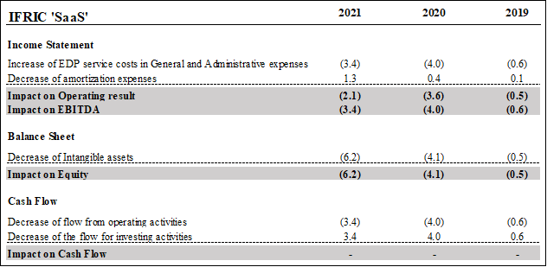
2021 financial results include the impacts of the change in accounting policy following the IFRIC's agenda decision related to the capitalization of costs directly attributable to the configuration and customization of application software under ‘Software as a Service’ (‘SaaS’) arrangements.
For those arrangements - mainly some investments in software implemented in the recent years for the digitalization of the sales channels – Safilo has thus derecognized the intangible assets previously capitalized and increased the EDP costs within the general and administrative expenses.
The table below show the impacts of this change in accounting policy on 2021 financial results (fully accounted for in the fourth quarter) as well as on 2020 and 2019 given its retrospective application.

